Dataset Summary
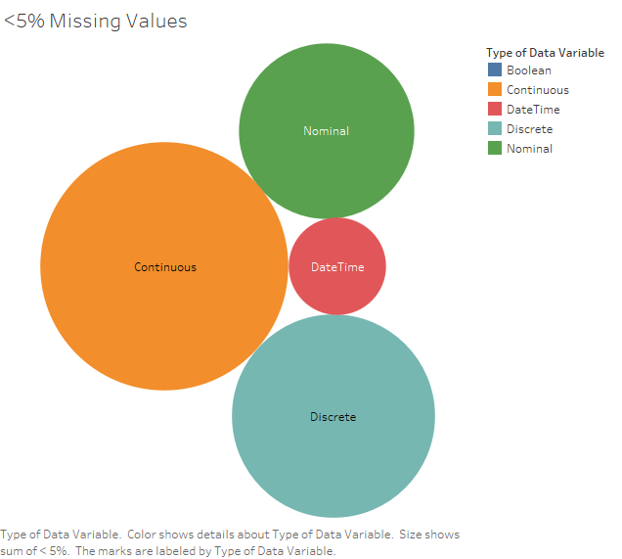
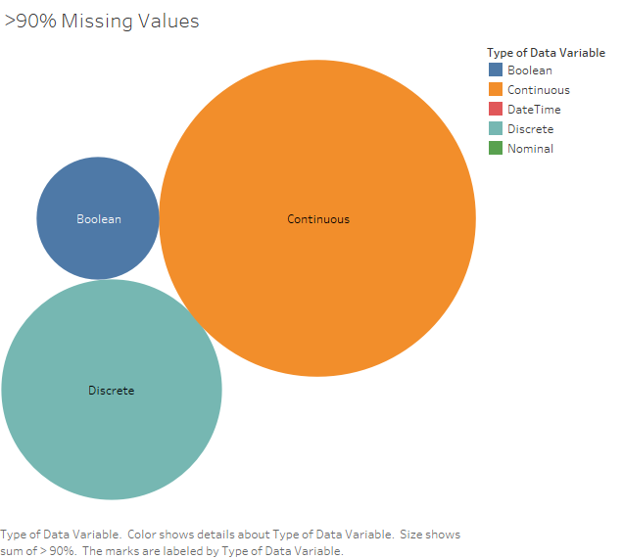
All data excluding profitability column
 | Total | Count |  | %missing values | of variables | Total
Numerical | 39 | 23 | Continuous | >90% | 6 | 23 | >90% missing Values | 10
 |  |  |  | >1% and <=90% | 6 |  | < =1 % missing Values | 26
 |  |  |  | <=1% | 11 |  | >1% and <=90% missing values | 17
 |  | 16 | Discrete | >90% | 3 | 16 |  | 53
 |  |  |  | >1% and <=90% | 5
 |  |  |  | <=1% | 8
Categorical | 12 | 7 | Nominal | >90% | 0 | 7
 |  |  |  | >1% and <=90% | 2
 |  |  |  | <=1% | 5
 |  | 5 | Boolean | >90% | 1 | 5
 |  |  |  | >1% and <=90% | 4
 |  |  |  | <=1% | 0
Time - Series | 2 | 2 | DateTime | >90% | 0 | 2
 |  |  |  | >1% and <=90% | 0
 |  |  |  | <=1% | 2
 | 53 |  |  |  | 53

